SEP Process

A Service - Wide Cab

CHECK | 1. AROUND THE CAB INSPECTION | TOOLS | TORQUE
1 | Overall visual Inspection for any damage
2 | Check and secure mirrors and brackets
3 | Check drivers (O/S) seat operation and seat belt function and anchorage
4 | Check operation of windows and doors

CHECK | 2. DRIVING TO BAY
5 | DXII - plug in and check for updates | DXII
6 | Check starter motor operation and enigne stop function
7 | Report all abnormal noises and vibrations
8 | Check operation of all gauges and instruments
9 | Check wiper/washer operation arc and blade condition
10 | Check accelerator pedal and linkage for operation and wear
11 | Check brake pedal travel and adjust if required
12 | Check and adjust park brake operation | 10mm Combination Spanner
13 | Check transmission controls
14 | Check coolant level and top up as required

CHECK | 3. ON HOIST (LOWERED)
15 | Check all lights for operation
16 | Check reverse buzzer
17 | Check clearance and auxilliary or driving lights
18 | Check and top up brake (clutch) fluid resevior - report any leaks
19 | Check and top up windscreen washer bottle, check the cabin air filter | Air Blower
20 | Check passengers (N/S) seat operation and seat belt function and anchorage
21 | Inspect and clean air cleaner element
22 | Replace fuel sediment filter and fuel filter | 100mm Filter Strap
23 | Inspect battery box
24 | Load test battery and report | Hydrometer/Load Tester
25 | Top up battery electrolyte
26 | Clean and lubricate battery terminals and check for corrosion, cabin air cleaner | Wire Brush/Terminal Lube
27 | Clean and lubricate all body - door hinges, locks, tailgate pivots and locks, tipper pivots and hoist pivots

CHECK | 4. ON HOIST (RAISED)
28 | Inspect all fuel lines and power steering hoses for chafing and leaks
29 | Inspect steering linkages - lubricate all points - report all wear and damage | Grease Gun
30 | Drain engine oil | 24mm Spanner/Scraper | 41 Nm
31 | Replace oil filter | 110mm Filter Strap
32 | Tighten front axle U-bolts and spring bands | 24mm/27mm Socket | 195 Nm
33 | Check all engine mounts | 17mm Spanner | 98 Nm
34 | Check transmissions mounts | 17mm Spanner | 62 Nm
35 | Check transmissions linkage connections
36 | Check DPR sensor wiring and hose for damage
37 | Check DPR exhaust system for tension and leaks | 14mm Spanner
38 | Check gearbox oil level and top up - report any leaks (manual trans only) | 24mm Spanner | 50 Nm
39 | Check clutch free travel and report hydraulic oil leaks
40 | Inspect and lubricate universal joints and drive shafts | Grease Gun
41 | Check park brake lining thickness | Vernier Calipers
42 | Secure all body/equipment mountings and U-bolts
43 | Check differential oil level and top up as required - report any leaks | 24mm Spanner | 50 Nm
44 | Inspect shackles and wear plates - lubricate all points (if applicable) | Grease Gun
45 | Tighten rear axle U-bolts and spring bands | 24mm/27mm Socket | 195 Nm
46 | Align bridging jacks to axles and raise vehicle

CHECK | 5. ON HOIST (HOIST LOWERED WAIST HIGHT / BRIDGING JACK RAISED)
47 | Check wheel bearing freeplay
48 | Remove N/S/F wheel. Check tyre wear and report. Top up tyre pressure as required. | 41mm Socket/Impact Wrench
49 | Check N/S/F mudflap and wheel arch
50 | Check N/S/F service brakes - record lining thickness remaining | Vernier Calipers
51 | Inspect N/S/F shock absorber and bushes, tension mounts
52 | Remove N/S/R wheels. Check tyre wear and report. Top up tyre pressure as required | 41mm Socket/Impact Wrench
53 | Check N/S/R mudflaps
54 | Check N/S/R service brakes - record lining thickness remaining | Vernier Calipers
55 | Inspect N/S/R shock absorber and bushes, tension mounts
56 | Remove O/S/R wheels. Check tyre wear and report. Top up tyre pressure as required | 41mm Socket/Impact Wrench
57 | Check O/S/R mudflaps
58 | Check O/S/R service brakes - record lining thickness remaining | Vernier Calipers
59 | Inspect O/S/R shock absorber and bushes, tension mounts
60 | Remove O/S/F wheel. Check tyre wear and report. Top up tyre pressure as required | 41mm Socket/Impact Wrench
61 | Check O/S/F mudflap and wheel arch
62 | Check O/S/F service brakes - record lining thickness remaining | Vernier Calipers
63 | Inspect O/S/F shock absorber and bushes, tension mounts
64 | Check rubber parts for disc calipers
65 | Check hydraulic fluid for leaks
66 | Rotate wheels
67 | Retention all wheel retaining nuts | 41mm Socket/Impact Wrench | 440-590 Nm

CHECK | 6. ON HOIST (LOWERED / CAB TILTED)
68 | Check exhaust manifolds for tension and leaks | 12mm Spanner | 60 Nm
69 | Inspect heater hoses and radiator hoses for condition and leaks
70 | Refill engine oil
71 | Check automatic transmission fluid
72 | Check inlet manifold and ducting for tension and leaks | 12mm Spanner | 28.5Nm
73 | Check radiator cap function
74 | Inspect radiator and intercooler fins, clean as required
75 | Inspect and if required adjust drive belts
76 | Inspect water pump and fan hub for excess wear/movement
77 | Inspect fan blades and shroud for damage
78 | Check engine oil level after running engine
79 | Check transmission linkage cables
80 | Inspect cab mounts
81 | Inspect cab lock

CHECK | 7. FINAL INSPECTION
82 | Ensure satisfactory operation of all systems
83 | Remove all grease marks, wash engine and transmission
Note: Replace spin on fuel filter every 300,000 kms or 120 months as needed after point 68

SEP Work outline (1)
HINO 300 SERIES NARROW CAB 'A' Service

1. Service Outline
1) AROUND THE CAB INSPECTION
No | Inspection item | Inspection point | Inspection work outline

1 | Check & Secure Mirrors & Brackets |  | Check that the side view mirror is not loose, damaged, or broken.
2 | Check Drivers Seat Operation & Seat Belt Function & Anchorage | 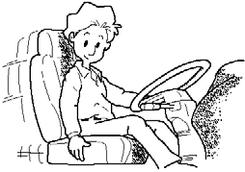 | Check the driver's seat position adjustment and seat belt operation and security.
3 | Check Operation Of Windows & Doors |  | Check windows and doors for correct operation.
2) DRIVING TO BAY
4 | DXII Check |  | Plug in DXII and check for updates.
5 | Check Starter Operation & Stop Function (ENGINE) | 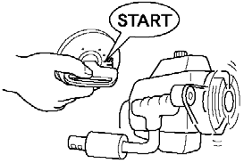 | Check operation of starter & confirm correct operation of stop function.
6 | Check Operation Of All Other Gauges & Instruments | 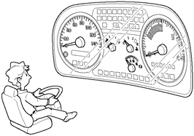 | Check the operation of the tachometer, fuel gauge, water temperature gauge, and air pressure gauge.
7 | Check Wiper/Washer Operation Arc & Blade Condition | 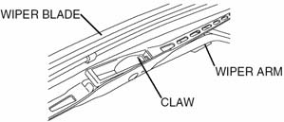 | Check that the window wiper/washer operation and condition also checking the nozzles are not loose or damaged.
8 | Check Pedal & Linkage For Operation & Wear | 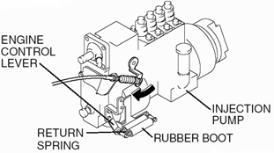 | Check all pedals and linkage for wear & correct operation.
9 | Check Brake Pedal Travel & Adjustment | 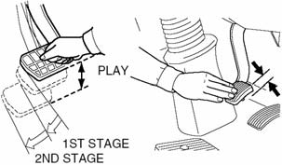 | Check that the play of brake pedal and clutch pedal is within the specified range and adjust, if required.
10 | Check & Adjust Park Brake Operation |  | • Vehicles with centre parking brake. Check the pull allowance of the parking lever. • Vehicles with wheel parking brake. Check for the sound of escaping air at the time of brake operation.
11 | Check Coolant Level | 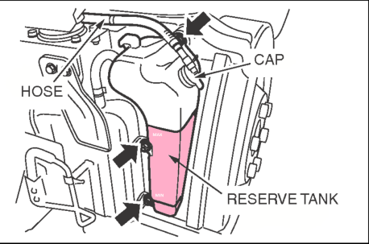 | Check coolant level and concentration
3) ON HOIST (LOWERED)
12 | Check All Light For Operation | 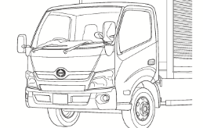 | Test all light for operation. Headlights, Indicators, Stop Lights, Fog Lights, Interior Lights etc.
13 | Check Reverse Buzzer | 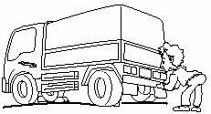 | Check the operation of the back-up lamp and buzzer sound.

SEP Work outline (2)
HINO 300 SERIES NARROW CAB 'A' Service

No | Inspection item | Inspection position | Inspection work outline

14 | Check Clearance & Auxiliary Or Driving Lights |  | Check the operation of auxiliary lights.
15 | Clean & Inspect Air Cleaner Element | 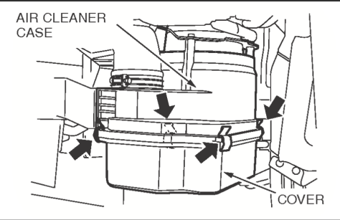 | Inspect and clean air cleaner element with compressed air.
16 | Replace Fuel Sediment Filter | 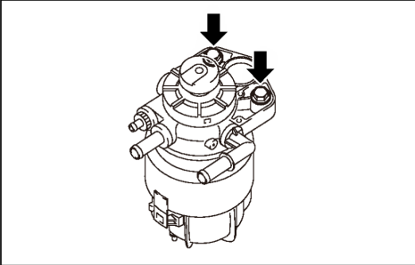 | Remove and replace fuel sediment filter.
17 | Inspect Battery Box | 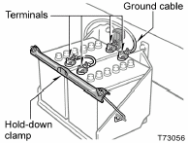 | Check battery box security.
18 | Test Battery Specific Gravity | 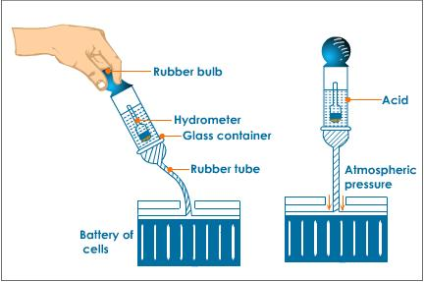 | Test battery specific gravity with hydrometer and report condition.
19 | Top Up Battery Electrolyte | 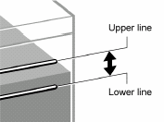 | Check battery electrolyte level and top up as required.
20 | Clean & Lubricate Battery Terminals | 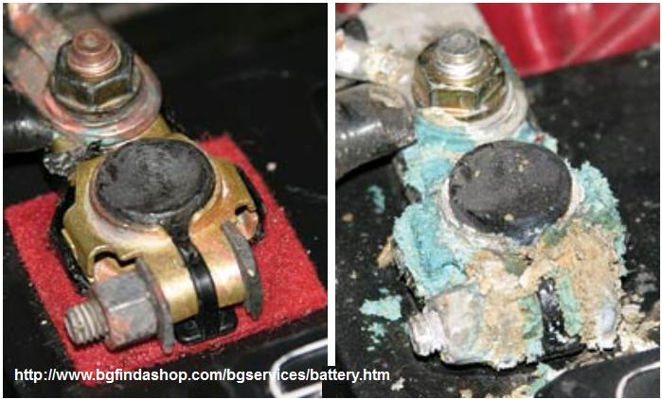 | Clean & Lubricate battery terminals with terminal lube.
21 | Check & Lubricate All Body Fixtures | 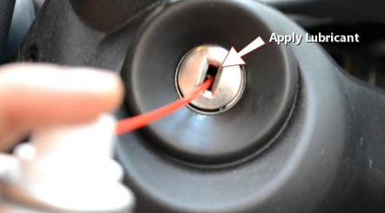 | Check & Lubricate All Body Fixtures - Door hinges, locks, tailgate pivots & locks, tipper pivots & hoist points
3) ON HOIST (RAISED)
22 | Inspect All Fuel Lines & Power Steering Hoses For Chafing & Leaks |  | Inspect All Fuel Lines & Power Steering Hoses For Chafing & Leaks
23 | FR LH Shock Absorber Fixing |  | Check that the shock absorber is not loose and is free of play.
24 | FR LH Suspension Fixing |  | Check suspension mounting is not loose and no freeplay.
25 | FR LH Brake Hose & Pipe Fixing |  | Check the installation condition of brake hoses, and that pipes are not loose.
26 | FR LH ABS Wire Harness Fixing |  | Check that the ABS harness is not interfering with anything and that the connector is not loose.

SEP Work outline (3)
HINO 300 SERIES RHD

1. HQS-P.D.I. WORK OUTLINE
3) AROUND THE VEHICLE INSPECTION (Left Side → Rear → Right Side)
No | Inspection item | Inspection point | Inspection work outline

JIS method
Forward direction
27 | FR LH Wheel Nut Tightness |  | Check that the wheel nuts are tight. *ISO type: Right-hand thread.
28 | FR LH Tire Inflation Pressure | 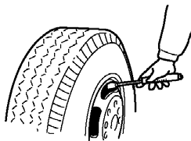 | Check that the air pressure is the specified pressure.
29 | Air Cleaner Case & Element Condition | 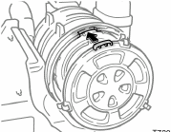 | Check that the air cleaner, element, and piping is not loose or crushed.
30 | Fusible Link Box Fixing & Condition |  | Check that the fusible link box is not loose.
31 | Battery Carrier & Cable Fixing |  | Check that the battery carrier and battery cables are not loose.
32 | Battery Electrolyte Level |  | Check that the battery electrolyte level is within the specified range.
33 | Primary Fuel Filter Fixing |  | Check that the primary fuel filter, hose, and pipes are not loose or leaking fuel.
34 | LH Rear Body Fixing (If so equipped) | 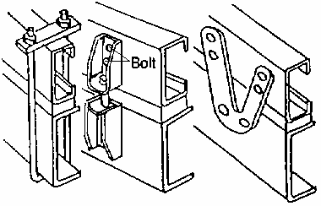 | Check that the rear body and frame brackets are not loose.
35 | RR LH Suspension Fixing |  | Check suspension mounting is not loose and no freeplay.
JIS method
Forward direction
36 | RR LH Wheel Nut Tightness |  | Check that the wheel nuts are tight. *ISO type: Right-hand thread.
37 | RR LH Tire Inflation Pressure | 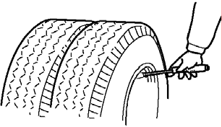 | Check that tire air pressure is the specified value and adjust, if required.
38 | Spare Tire Carrier Fixing & Inflation Pressure | 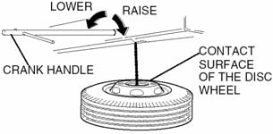 | Check the spare tire carrier and wheel for surface damage, and check the tire pressure.
39 | Lamps: Brake, Direction, Back-up & License |  | Check that the tail lamps, brake lamps, turning signal lamp, back-up lamp, and license plate lamp are not loose, dirty, or damaged; also check operation.
40 | License Plate Bracket Fixing | 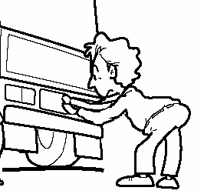 | Check that the license plate and bracket are not loose.
41 | RR RH Suspension Fixing |  | Check suspension mounting is not loose and no freeplay.
JIS method
Forward direction
42 | RR RH Wheel Nut Tightness |  | Check that the wheel nuts are tight. *ISO type: Right-hand thread.
43 | RR RH Tire Inflation Pressure |  | Check that the tire air pressure is the specified value and adjust, if required.
Bolt
44 | RH Rear Body Fixing (If so equipped) | 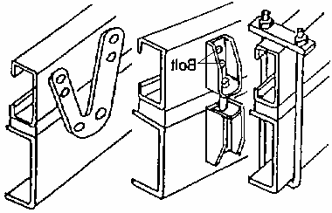 | Check that the rear body and frame brackets are not loose.
45 | Exhaust Pipe, DPR Filter & Hanger Fixing | 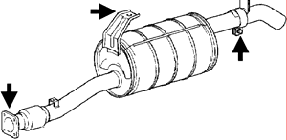 | Check that the exhaust pipe, muffler and hanger are not loose and for exhaust leak.
46 | Fuel Tank & Filler Cap Fixing | 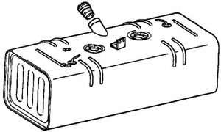 | Check that the fuel tank and filler cap are not loose or leaking fuel.
47 | Fuel Filler Cap Key Function (If so equipped) |  | Check that the fuel filler cap key smoothly locks and unlocks.
48 | Coolant Tank & Level | 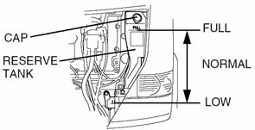 | Check that the coolant level is within the specified range.
49 | Vacuum Tank & Hose Fixing |  | Check that the vacuum tank and vacuum hose clip are not lose.
JIS method
Forward direction
50 | FR RH Wheel Nut Tightness |  | Check that the wheel nuts are tight. *ISO type: Right-hand thread.
51 | FR RH Tire Inflation Pressure | 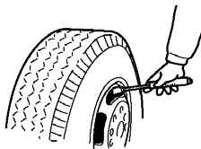 | Check that the air pressure is the specified value and adjust, if required.

SEP Work outline (4)
HINO 300 SERIES RHD

1. HQS-P.D.I. WORK OUTLINE
4) CAB TILT AND INSPECTION (Right Side)
No | Inspection item | Inspection point | Inspection work outline

52 | V-Belt Tension | 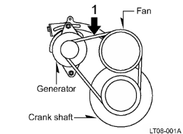 | Check that the V-belt tension is within the specified range.
53 | Cooling Fan & Clutch |  | Check that the cooling fan and fan clutch are not loose or damaged, and free spinning.
54 | RH Engine & Radiator Mounting Fixing | 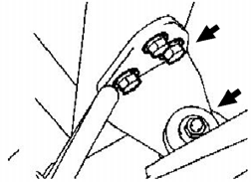 | Check the radiator mounting bolts are not loose.
55 | VIN or Chassis Number Confirmation | 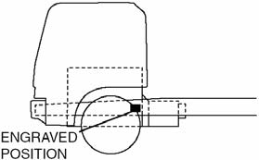 | Check that the engraved chassis number matches the registration documents and the VIN plate.
56 | Steering Gear box, Pipe & Linkage Fixing |  | ・Check that the there is no fluid leakage from the gear box and PS pipes. ・Check the universal joint for stiffness and lack of grease. ・Check that the linkage is not loose.
57 | FR RH Shock Absorber Fixing |  | Check that the shock absorber is not loose and is free of play.
58 | FR RH Suspension Fixing |  | Check suspension mounting is not loose and no freeplay.
59 | FR RH Brake Hose & Pipe Fixing |  | Check the installation condition of brake hoses, and that pipes are not loose.
60 | FR RH A.B.S Wire Harness Fixing |  | Check that the ABS harness is not interfering with anything and that the connector is not loose.
61 | Cab Lock Mechanism Condition | 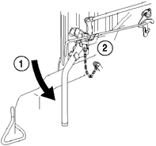 | Check the installation condition and operation of the cab lock mechanism.

SEP Work outline (5)
HINO 300 SERIES RHD

1. HQS-P.D.I. WORK OUTLINE
5) INSIDE CAB INSPECTION (Left Side --> Right Side)
No | Inspection item | Inspection point | Inspection work outline

62 | LH Door Window Function & Ashtray | 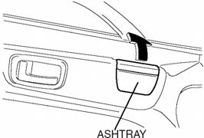 | Check that the door window and ashtray open and close smoothly.
63 | Windshield Washer Level |  | Check that the windshield washer solution level is within the specified range.
64 | Fuse Box & Spare Fuses Condition | 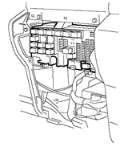 | Check the fuse relay box for blown fuses and spare fuses.
65 | Passenger Seat & Seat Belt Fixing |  | Check the passenger's seat position adjustment and seat belt operation. (Including the centre seat)
66 | Driver Seat Adjust & Seat Belt Fixing |  | Check the driver's seat position adjustment and seat belt operation.
67 | Inside Rear View Mirror & Sun Visor Fixing | 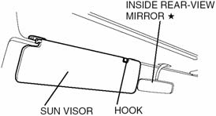 | Check installation condition of the inside rear view mirror and sun visor.
68 | Rear View Mirror Control Switch (If so equipped) | 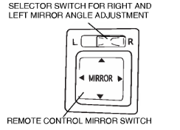 | Check the operation of the rear view mirror control switch.
69 | Mirror heater switch (If so equipped) | 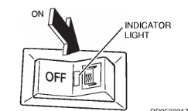 | Check the operation of the rear view mirror heater switch.
70 | Steering Wheel Adjusting & Locking | 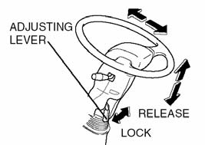 | Check the front/back and up/down operation of the steering wheel and that the adjusting lever locks.
71 | Horn Function |  | Check that the horn sounds when operated.
72 | Parking Lever Condition
73 | Engine Pre-Heater Function (If so equipped) | 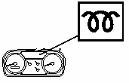 | Check that the engine pre-heater lamp turns on when the key is set to ON.
74 | Engine Starting Condition |  | Check that the engine starts smoothly.
75 | Immobilizer Main/Sub key Function (If so equipped) |  | Check that the engine starts with the immobilizer main and sub-key.
76 | Engine Idling Speed Adjust (If so equipped) | 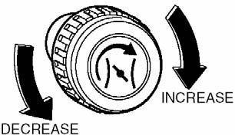 | Check that the engine idle set knob operates smoothly.
77 | Warning Lamps & Buzzer Function | 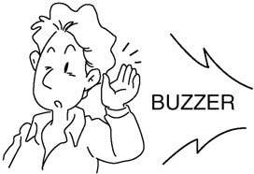 | Check the operation of the warning lamps and buzzer. * With the brake pedal depressed and the key set to ON, release the parking lever and confirm the buzzer sound.
Hi
Low
Passing
78 | Headlights, Hi & Low Function |  | Check the operation of the headlight high and low beams.
79 | Headlight Beam Control Switch (If so equipped) | 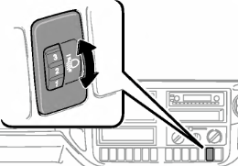 | Check the operation of the headlight beam height control switch.
80 | Stop Lamp & Turning Signal Function | 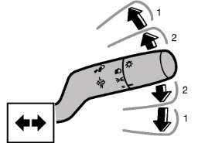 | Check the operation of the stop lamps/turning signal lamps lever switch.
81 | Windshield Wiper & Washer Function | 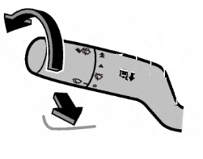 | Check the operation of the windshield wiper switch and washer bottom.
82 | Hazard Lamp Function | 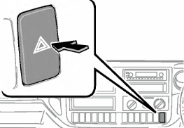 | Check the operation of the hazard lamps.
83 | Back-up Lamp & Buzzer Function |  | Check the operation of the back-up lamp and buzzer sound.
84 | PTO Function (If so equipped) | 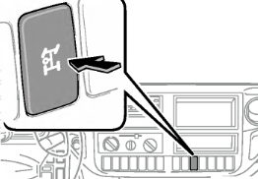 | Check the operation of the PTO.
85 | Exhaust Brake Lever Function | 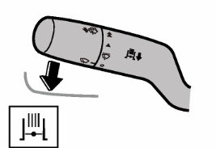 | Check the operation of the exhaust brake lever.
86 | Gauges Function (Rpm, Fuel, Temp)
87 | Engine Accelerating Condition |  | Check that the accelerator pedal operates smoothly.
88 | Exhaust Smoke Condition | 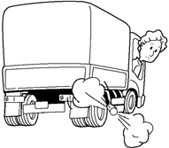 | Check the combustion condition of the exhaust gas. (Black smoke, white smoke, etc.)
89 | Forced Ventilator & Heater Function |  | Check all directions and all fan speeds blow air.
90 | Air Condition Function (If so equipped) |  | Check the operation of the air conditioner.
91 | Radio or Audio Instruments (If so equipped) |  | Check the operation of the radio and the audio system.
92 | Cigarette Lighter Function | 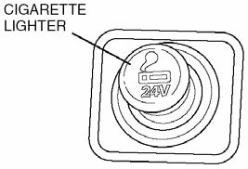 | Check the operation of the cigarette lighter.
93 | Brake & Clutch Pedal Free Play |  | Check that the play of brake pedal and clutch pedal is within the specified range and adjust, if required.
94 | Engine Stopping | 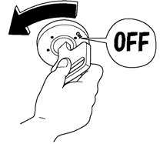 | Check the engine stops smoothly.
95 | RH Door Window Function & Ashtray | 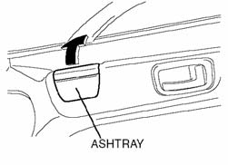 | Check that the door window and ashtray open and close smoothly.
96 | Cab Interior Damage |  | Check that the cab interior is not damaged, deformed, or discoloured.
97 | Brake & Clutch Fluid Level |  | Check that the brake and clutch fluid level is within the specified range.

SEP Work outline (6)
HINO 300 SERIES RHD

1. HQS-P.D.I. WORK OUTLINE
6) UNDER THE VEHICLE INSPECTION (Front Under --> Rear Under)
No | Inspection item | Inspection point | Inspection work outline

98 | Coolant Leaking |  | Check that there are no coolant leaks around the radiator.
99 | FR U-Bolt Fixing |  | Check that the leaf spring U-bolts are tightened correctly.
100 | Oil & Fuel Leakage |  | Check that there is no leakage of oil or fuel around the engine.
101 | Engine Number Confirmation |  | Confirm the engine number and enter it into the PDI sheet.
102 | Clutch Secondary Cylinder Fixing |  | Check that the secondary cylinder is not loose.
103 | Transmission Oil Level |  | Check that the transmission oil level is up to the position of the filling plug.
104 | Parking Brake Cable Fixing |  | Check that the parking cable is not loose or damaged.
105 | Speedometer Connection Fixing |  | Check that the speedometer cable connector is not loose.
106 | Chassis Wire Harnesses Fixing |  | Check that the harness and all wiring of the installed equipment is not interfering with anything, and that the connectors are not disconnected or loose.
107 | Propeller Shaft & Centre Bearing Fixing |  | Check that the propeller shaft and centre bearing bolts and nuts are not loose.
108 | RR U-Bolt Fixing |  | Check that the leaf spring U-bolts are not loose.
109 | Differential Gear Oil Level |  | Check that the differential gear oil level is at the position of the filler plug.
110 | RR Shock Absorbers Fixing (If so equipped) |  | Check that the shock absorber is not loose and is free of play.
111 | Rear Wheel Brake Pipe & Hose Fixing |  | Check the installation condition of brake hoses, and that pipes are not loose.

SEP Work outline (7)
HINO 300 SERIES RHD

1. HQS-P.D.I. WORK OUTLINE
7) ROAD TESTING
No | Inspection item | Inspection point | Inspection work outline

112 | Speedometer & Tachometer Function |  | Check the operation of the speedometer and tachometer.
113 | Steering Condition |  | Check the steering and steering wheel are not tight and that they operate smoothly.
114 | Gear Change Condition |  | Check the shift lever operates smoothly.
115 | Vehicle Squeak & Rattle |  | Check the vehicle and the cab for abnormal vibrations and noises.
116 | Foot Brake Effectiveness |  | Check that the foot brake operates smoothly.
117 | Exhaust Brake Function |  | Check the operation of the exhaust brake.
118 | ABS Brake Effectiveness (If so equipped) |  | With the ignition key set to ON, check that the ABS warning lamp turns on and goes out within 3 to 9 seconds if the condition is normal.
119 | Parking Brake Effectiveness |  | Check the parking brake action on a slope.
120 | ES Start Function (If so equipped) |  | Check ES starting on a slope.
121 | VSC Function (If so equipped) |  | Check the operation of the vehicle stability control.

SEP Work outline (8)
HINO 300 SERIES RHD

1. HQS-P.D.I. WORK OUTLINE
8) AFTER ROAD TESTING (Inside Cab --> Outside Cab --> Around the Vehicle)
No | Inspection item | Inspection point | Inspection work outline

122 | Cleanliness of Inside of Cab |  | Check that the inside of the cab is clean.
123 | Windshield Glass Damage |  | Check that the windshield is not damaged or dirty.
124 | Air conditioning Gas level |  | Check that there are no air bubbles in the sight glass when the air conditioner is running.
125 | Cleanliness of Exterior of Cab |  | Check that the outside of the cab is not dirty or damaged and that it is ready for delivery.
126 | Rear Body Installing Condition |  | Check that the rear body and frame brackets are not loose.
127 | Lubricants, Fuel & Coolant Leakage |  | Check that there is no oil, fuel, and water leakage around the engine and radiator.
128 | Add Chassis Grease |  | Check all lubrication points on the chassis.
129 | Tire Pressure & Damage |  | Check that the air pressure of all tires is at the specified value.
130 | Check of Manuals and the Document |  | Check that manuals and required documents is inside the truck.
131 | Tools Kit (If necessary) |  | Check that the tool kit has been provided.

